Etanolo
 | B3LYP/6-31+g(d,p)
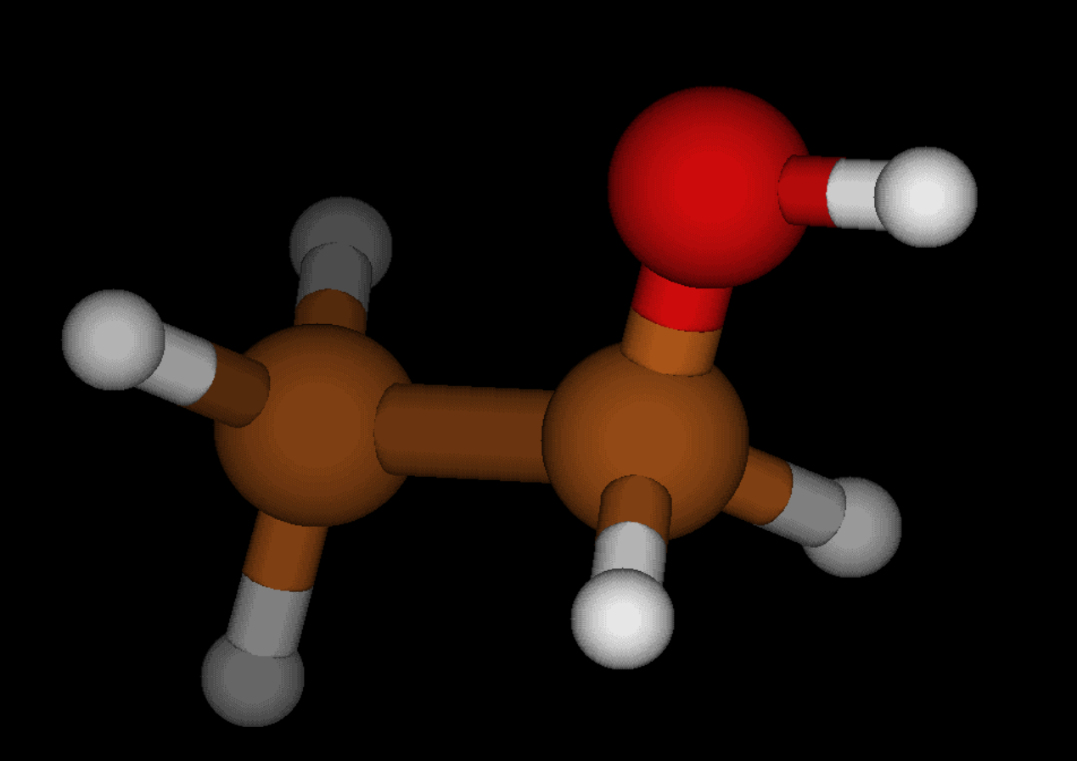
 | TMS Magnetic shielding tensor (ppm)
 | Isotropic
Si1 | 405.9846
C1 | 192.6754
H1 | 31.6503
H2 | 31.6509
H3 | 31.6509
C2 | 192.6351
H4 | 31.6526
H5 | 31.6514
H6 | 31.6539
C3 | 192.6351
H7 | 31.6526
H8 | 31.6539
H9 | 31.6514
C4 | 192.6198
H10 | 31.6553
H11 | 31.6517
H12 | 31.6517
 | Average TMS Magnetic shield. (ppm)
 | 31.6522
 | Variance TMS Magnetic shield. (ppm)
 | 2.23E-06

 | Ethanole Magnetic shielding tensor (ppm) | NMR Shift (ppm) from mean | Experimental NMR Shift (ppm) | Group | Classification | Consideration
 | Isotropic |  | NIST
C1 | 131.3392
C2 | 174.6149
H1 | 27.8382 | 3.8140166667 | 3.69 | CH2 | deshielding | meno elettroni intorno al nucleo
H2 | 27.8398 | 3.8124166667 | 3.69 | CH2 | deshielding | meno elettroni intorno al nucleo
H3 | 30.2640 | 1.3882166667 | 1.26 | CH3 | shielding | più elettroni, gli elettroni creano i loro campi magnetici che schermano l'esterno
H4 | 30.7554 | 0.89681666667 | 1.26 | CH3 | shielding
H5 | 30.2635 | 1.3887166667 | 1.26 | CH3 | shielding
O1 | 296.0418
H6 | 31.2668 | 0.38541666667 | 2.61 | OH | Da calcoli: shielding | Elettronegativo: attrae elettroni a sé. Nota: è il motivo per cui CH2 ha meno elettroni. CH3 non è connesso invece a nessun gruppo elettronegativo

 | B3LYP/aug-cc-pVTZ | (cluster cineca)

 | TMS Magnetic shielding tensor (ppm)
 | Isotropic
Si1 | 332.0495
C1 | 185.5085
H1 | 31.7239
H2 | 31.7295
H3 | 31.7295
C2 | 185.2161
H4 | 31.7365
H5 | 31.7365
H6 | 31.7329
C3 | 185.2160
H7 | 31.7365
H8 | 31.7329
H9 | 31.7356
C4 | 185.1796
H10 | 31.7357
H11 | 31.7321
H12 | 31.7321
 | Average TMS Magnetic shield. (ppm)
 | 31.7328
 | Variance TMS Magnetic shield. (ppm)
 | 1.45E-05

 | Ethanole Magnetic shielding tensor (ppm) | NMR Shift (ppm) from mean | Experimental NMR Shift (ppm) | Group
 | Isotropic |  | NIST
C1 | 119.6743
C2 | 162.9000
H1 | 28.1150 | 3.6178083333 | 3.69 | CH2
H2 | 27.7955 | 3.9373083333 | 3.69 | CH2
H3 | 30.7548 | 0.97800833333 | 1.26 | CH3
H4 | 30.5422 | 1.1906083333 | 1.26 | CH3
H5 | 30.3300 | 1.4028083333 | 1.26 | CH3
O1 | 275.9035
H6 | 31.7582 | 0.025391666667 | 2.61 | OH

